Sheet1
Toped 070824

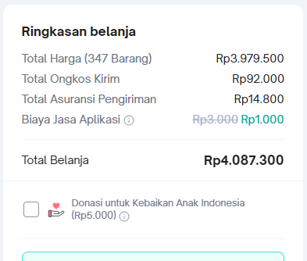
Nama Barang | Qty | Harga Satuan | Jumlah | user
Magnet 10x10 | 170 | 3,800 | 646,000 | Hotel
Knob acrylic | 115 | 7,900 | 908,500 | Hotel
Crimping Male Harting Connector | 30 | 14,000 | 420,000 | Mesin 4
Crimping Male Harting Connector | 30 | 14,000 | 420,000 | Mesin 4
Crimping tool Harting | 1 | 1,375,000 | 1,375,000 | Mesin 4
Masker 3M 8210 | 1 | 210,000 | 210,000 | Gudang

Ongkir |  | 92,000
Asuransi |  | 14,800
Biaya aplikasi |  | 1,000
 |  |  | 107,800

Total |  |  | 4,087,300

